How to Read
How to Read: Job Roles and Descriptions, Job Clusters to Skills Clusters Mapping, Skills to Job Roles Mapping,
 |  | and Job Roles to Skills Mapping

1
 | Job Roles and Descriptions

 | Instruction:
 | 1. Click on "Job Roles" Excel tab

 | 2. Review the job roles and their descriptions, as well as the mapping of job roles to relevant financial services sub-sectors
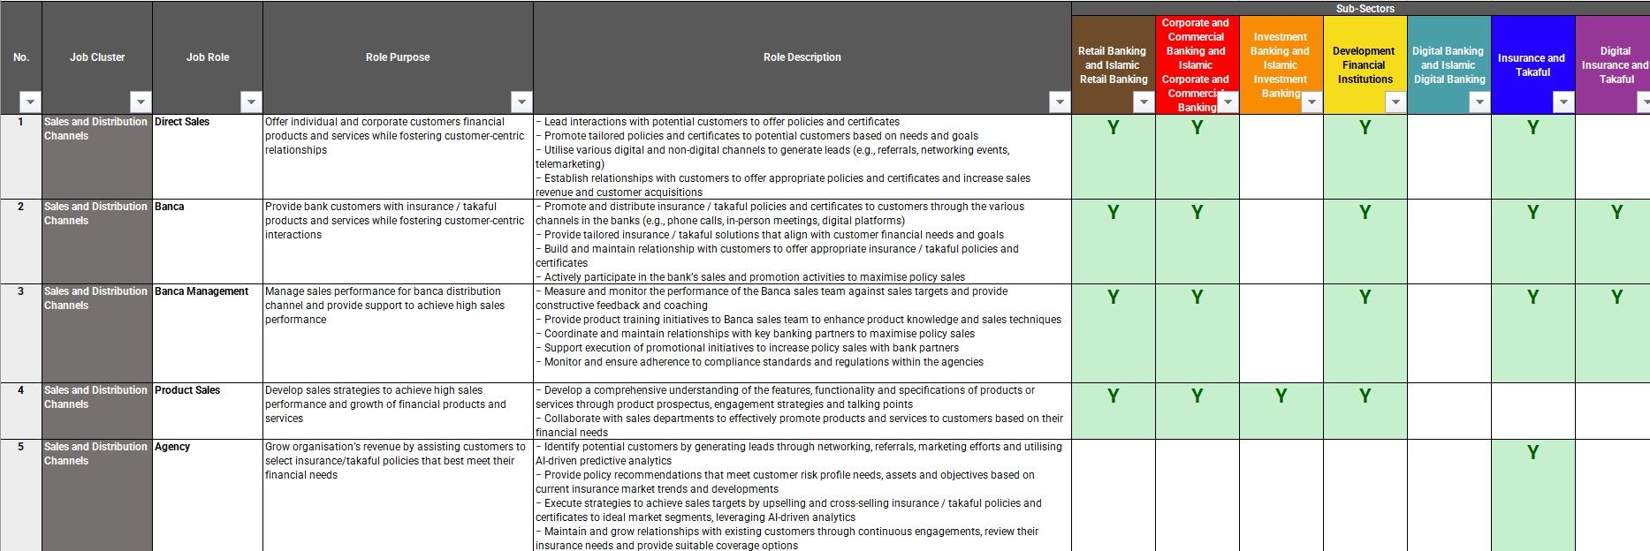
a

 | No. | Items | Descriptions
 | a | Job Cluster and Job Role | Job Cluster • Group of job roles with similar skills, knowledge and functions Job Role • Specific set of responsibilities that are assigned to meet a particular objective Role Description • The focus is based on overall key responsibilities rather than at each job level. This is to allow more room for customisation within each financial institution (FI) based on the following feedback received during Phase 1: − Job role descriptions by job levels and key tasks were too prescriptive − Job levels differs across organisations Why are Job Cluster and Job Role needed? • Reference point to provide sufficient coverage of expertise required for the financial sector for the next 3 years • Assist FIs to customise functional roles required within financial institutions (FIs), i.e., not a mandate for each FI to have 1 function or headcount per job role specified

2
 | Job Clusters to Skills Clusters Mapping

 | Instruction:
 | 1. Click on "Skill Codes" Excel tab

 | 2. View the unique code tagged to each skill

3
 | Skills to Job Roles Mapping

 | Instruction:
 | 1. Click on "Skills to Job Roles Mapping" Excel tab

 | 2. Review the following details: a. Skills and Proficiency Level b. Skills to Job Roles Mapping

a
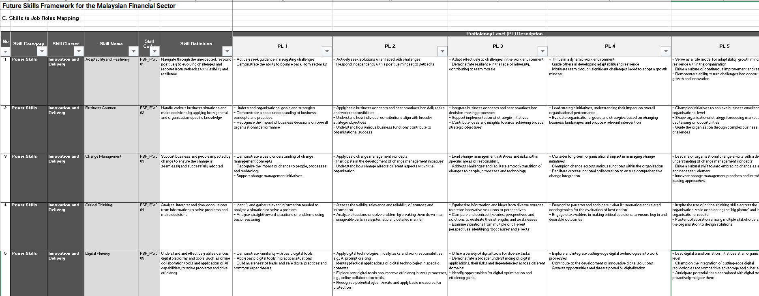

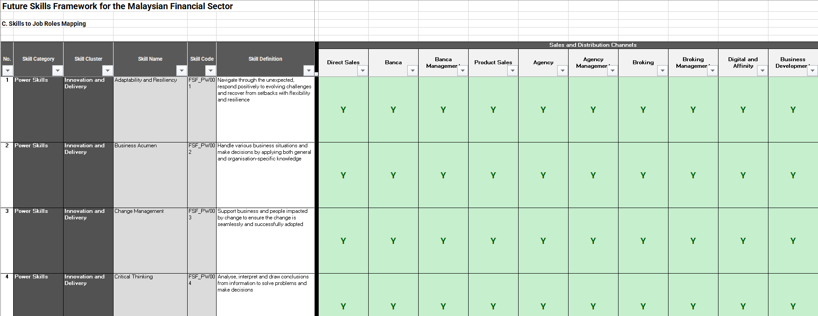
b

 | No. | Items | Descriptions
 | a | Skills and Proficiency Level | Skills • Knowledge and abilities acquired through experience and training to execute responsibilities Skills Proficiency Level • Measure of the level of expertise of a particular skill Why are Skills and Proficiency Level needed? • Provides common language to assess abilities and expertise in a specific area to make informed decisions about talent development and career advancement • FIs are to customise the proficiency levels required for each job role/job levels within respective organisations accordingly

 | b | Skills to Job Roles Mapping | • The 'Y' in the job roles column indicates that the particular skill is mapped to the corresponding job role(s) • Power skills are mapped across all job roles • Technical skills are mapped to job roles with consideration that these skills are essential to enable the effective execution of expected responsibilities • This skills mapping to job roles serves as a guide only

4
 | Job Roles to Skills Mapping

 | Instruction:
 | 1. Click on "Job Roles to Skills Mapping" Excel tab

 | 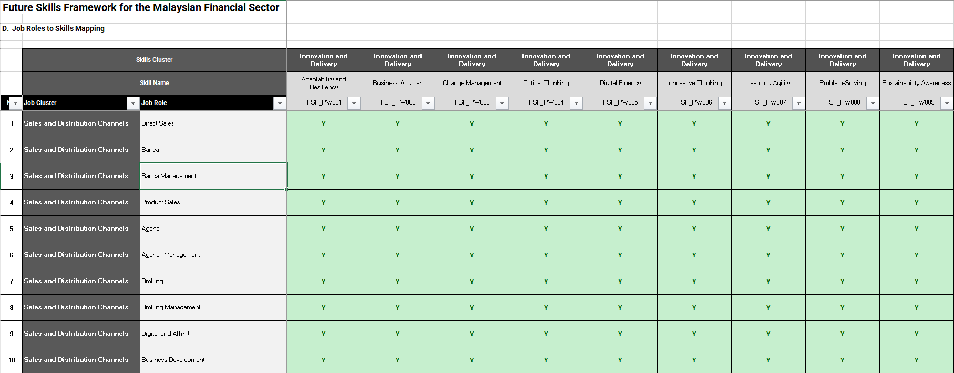 2. Review the following details: a. Job Roles to Skills Mapping

a

 | No. | Items | Descriptions
 | a | Job Roles to Skills Mapping | • The 'Y' in the Skills column indicates that the particular job role is mapped to the corresponding skill(s) • Power skills are mapped across all job roles • Technical skills are mapped to job roles with consideration that these skills are essential to enable the effective execution of expected responsibilities • This skills mapping to job roles serves as a guide only

 | Please email us at fsf@aicb.org.my if you have any questions.

